Sheet1
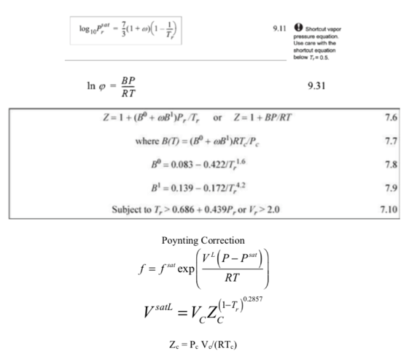
 | 1,3 Butadiene | Tc, K | Pc, Mpa | w | mw, g/mole | Prsat | Psat, Mpa | Psat PREOS, Mpa
 |  | 425 | 4.33 | 0.193 | 54 | 0.67 | 2.90 | 2.86
 |  | T,K | P, Mpa | Tr | Pr | < Tr?
 |  | 400 | 0.1 | 0.941 | 0.0231 | 0.696
 |  | B0(T) | B1(T) | B(T)
 |  | -0.382 | -0.0829 | -325
 |  | Fug Coeff | Fugacity, Mpa
 |  | 0.990 | 0.0990
 |  | PREOS | 0.0993

1,3 Butadiene | Vc, cm3/mole | Tc, K | Pc, Mpa | w | mw, g/mole | Prsat | Psat, Mpa | Psat PREOS, Mpa
 | 221 | 425 | 4.33 | 0.193 | 54 | 0.67 | 2.90 | 2.86
PREOS | 251 | T,K | P, MPa | Tr | Pr | < Tr? | At Psat < Tr?
 |  | 400 | 8.0 | 0.941 | 1.85 | 1.50 | 0.98
 |  | B0(T) | B1(T) | B(T) |  |  | NO
 |  | -0.382 | -0.0829 | -325
 |  | Saturated Fug Coeff | Saturated Fugacity, MPa | Vsat,L, cm3/mole | Fugacity, Mpa | Fugacity Coefficient
 |  | 0.75 | 2.19 | 124 | 2.64 | 0.330
 |  | PREOS | 2.04 | PREOS | 2.46 | 0.308

 |  | Zc
 |  | 0.27095066185

